Predictions
Group Stage
quarter-finals
SEMI-Finals
Final


 |  | NAME:

Pool A
Australia |  |  |  |  | QF 1
England | 1st place |  | Winner B | 0
Wales | 2nd place |  | vs. R/up A | 0
Fiji
Uruguay

Pool B
South Africa |  |  |  |  | QF 2 |  |  | SF 1
Samoa | 1st place |  | Winner C | 0 |  | QF 1 | 0
Japan | 2nd place |  | vs. R/up D | 0 |  | QF 2 | 0
Scotland
USA
 |  |  |  |  |  |  |  |  |  | Winner
Pool C
New Zealand |  |  |  |  | QF 3 |  |  |  | 0
Argentina | 1st place |  | Winner D | 0 |  |  |  |  | 0
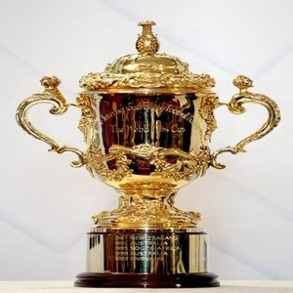
Tonga | 2nd place |  | vs. R/up C | 0
Georgia |  |  |  |  |  |  |  | SF 2
Namibia |  |  |  |  |  | QF 3 | 0
 |  |  |  |  |  | QF 4 | 0
Pool D
France |  |  |  |  | QF 4
Ireland | 1st place |  | Winner A | 0
Italy | 2nd place |  | vs. R/up B | 0
Canada
Romania

 |  |  |  | Top scoring team

 |  |  |  | Worst performing team

 |  |  |  | Total tournament tries

